Sheet1
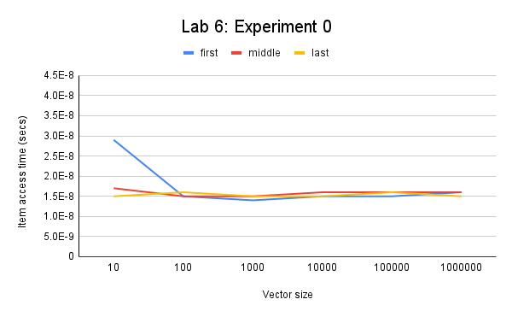
Lab 6: Experiment 0
size | first | middle | last
10 | 0.000000029 | 0.000000017 | 0.000000015
100 | 0.000000015 | 0.000000015 | 0.000000016
1000 | 0.000000014 | 0.000000015 | 0.000000015
10000 | 0.000000015 | 0.000000016 | 0.000000015
100000 | 0.000000015 | 0.000000016 | 0.000000016
1000000 | 0.000000016 | 0.000000016 | 0.000000015

Sheet2
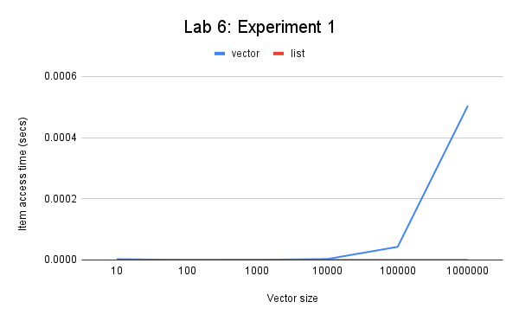
Lab 6: Experiment 1
size | vector | list
10 | 0.000002686 | 0.000000084
100 | 0.000000147 | 0.000000063
1000 | 0.000000601 | 0.00000005
10000 | 0.000003057 | 0.000000054
100000 | 0.000042873 | 0.000000075
1000000 | 0.000503994 | 0.000000182

The data indicates that as a vector grows larger the time required to append an item to a vector will grow larger. It is not consistent because the append for vector is an amortized constant. Vector doubles its size every time it has new item added when the vector is full. And when the vector doubles its size, it has the Big-Oh notation of O(n). But appending when a vector still has some portion to append items has the Big-Oh notation of O(const).
The data indicates that the time for both list methods the time is constant and the timing behavior is consistent with each other. It has the Big-Oh notation of O(1) because it is constant.
As conclusion, the time required to append an item to a vector is greater than the average time required to append to a list.

Sheet3
Lab 6: Experiment 2
size | vector | list | list (push front)
10 | 0.000000432 | 0.000000083 | 0.000000073
100 | 0.000000176 | 0.000000059 | 0.000000065
1000 | 0.000000526 | 0.000000053 | 0.000000071
10000 | 0.000003019 | 0.000000061 | 0.000000061
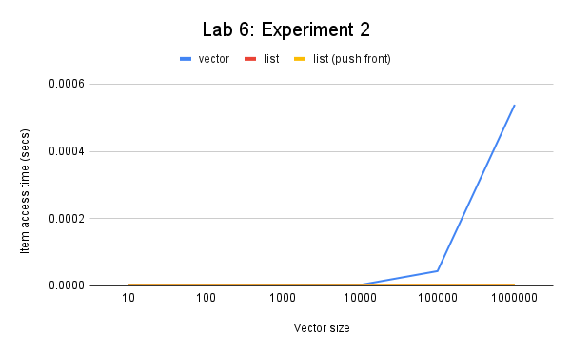
100000 | 0.000043991 | 0.000000085 | 0.000000088
1000000 | 0.000538379 | 0.000000296 | 0.000000396

The data indicates that the time required to prepend an item to a vector as the vector grows larger is that the time required is linear as the number of items increase. The timing behavior between timeAppendToVectorOfSize(n) is not consistent with that of timeRepeatedAppendUntilVectorIsSize(n) because the timeRepeatedAppendUntilVectorIsSize(n) Initializes the vector before repeating the loop to prepend the vector, but the other method constantly reinitializes the vector with size (n) so it takes longer. The Big O notation is linear (O(n)).
The data indicates that the time for both list methods the time is somewhat constant and the timing behavior is consistent with each other. The big O notation is O(1) because it is constant.
It takes less time to prepend an item to a list than a vector as each get larger.
The time using push_front is shorter than the insert() method. It does however seem to be going up exponentially but the scale is exponential so the values are linear. Therefore the big O would be O(n).

